Regulated Request (Trdm070)
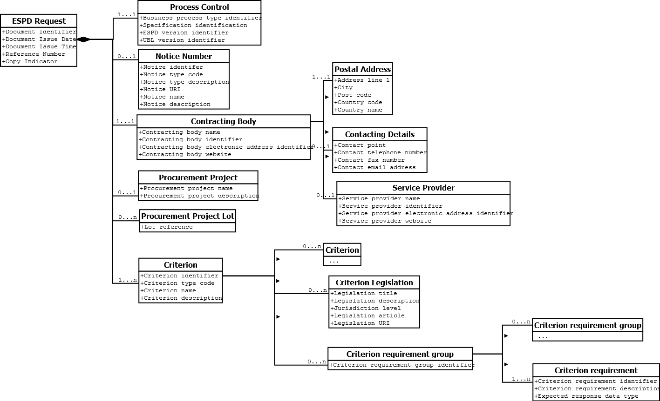

Self-Contained Request(Trdm070)
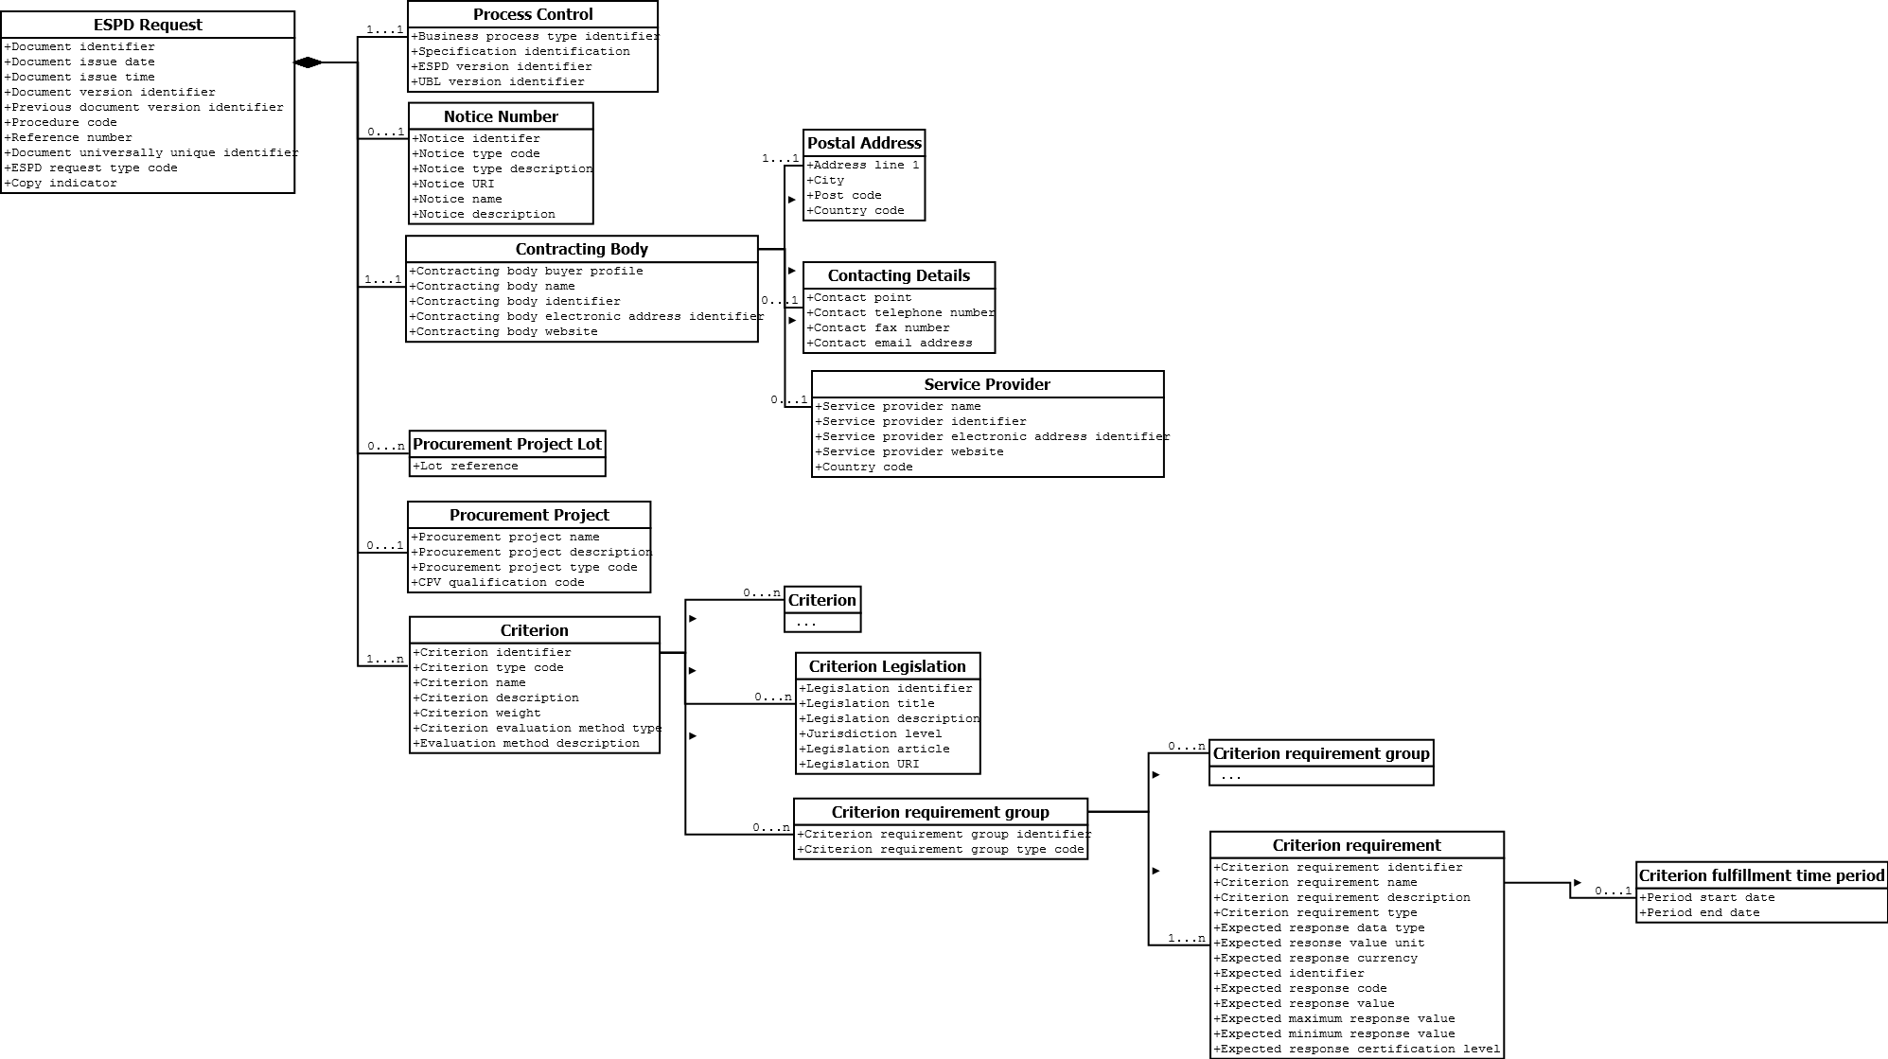

Regulated Response(BII Trdm092)
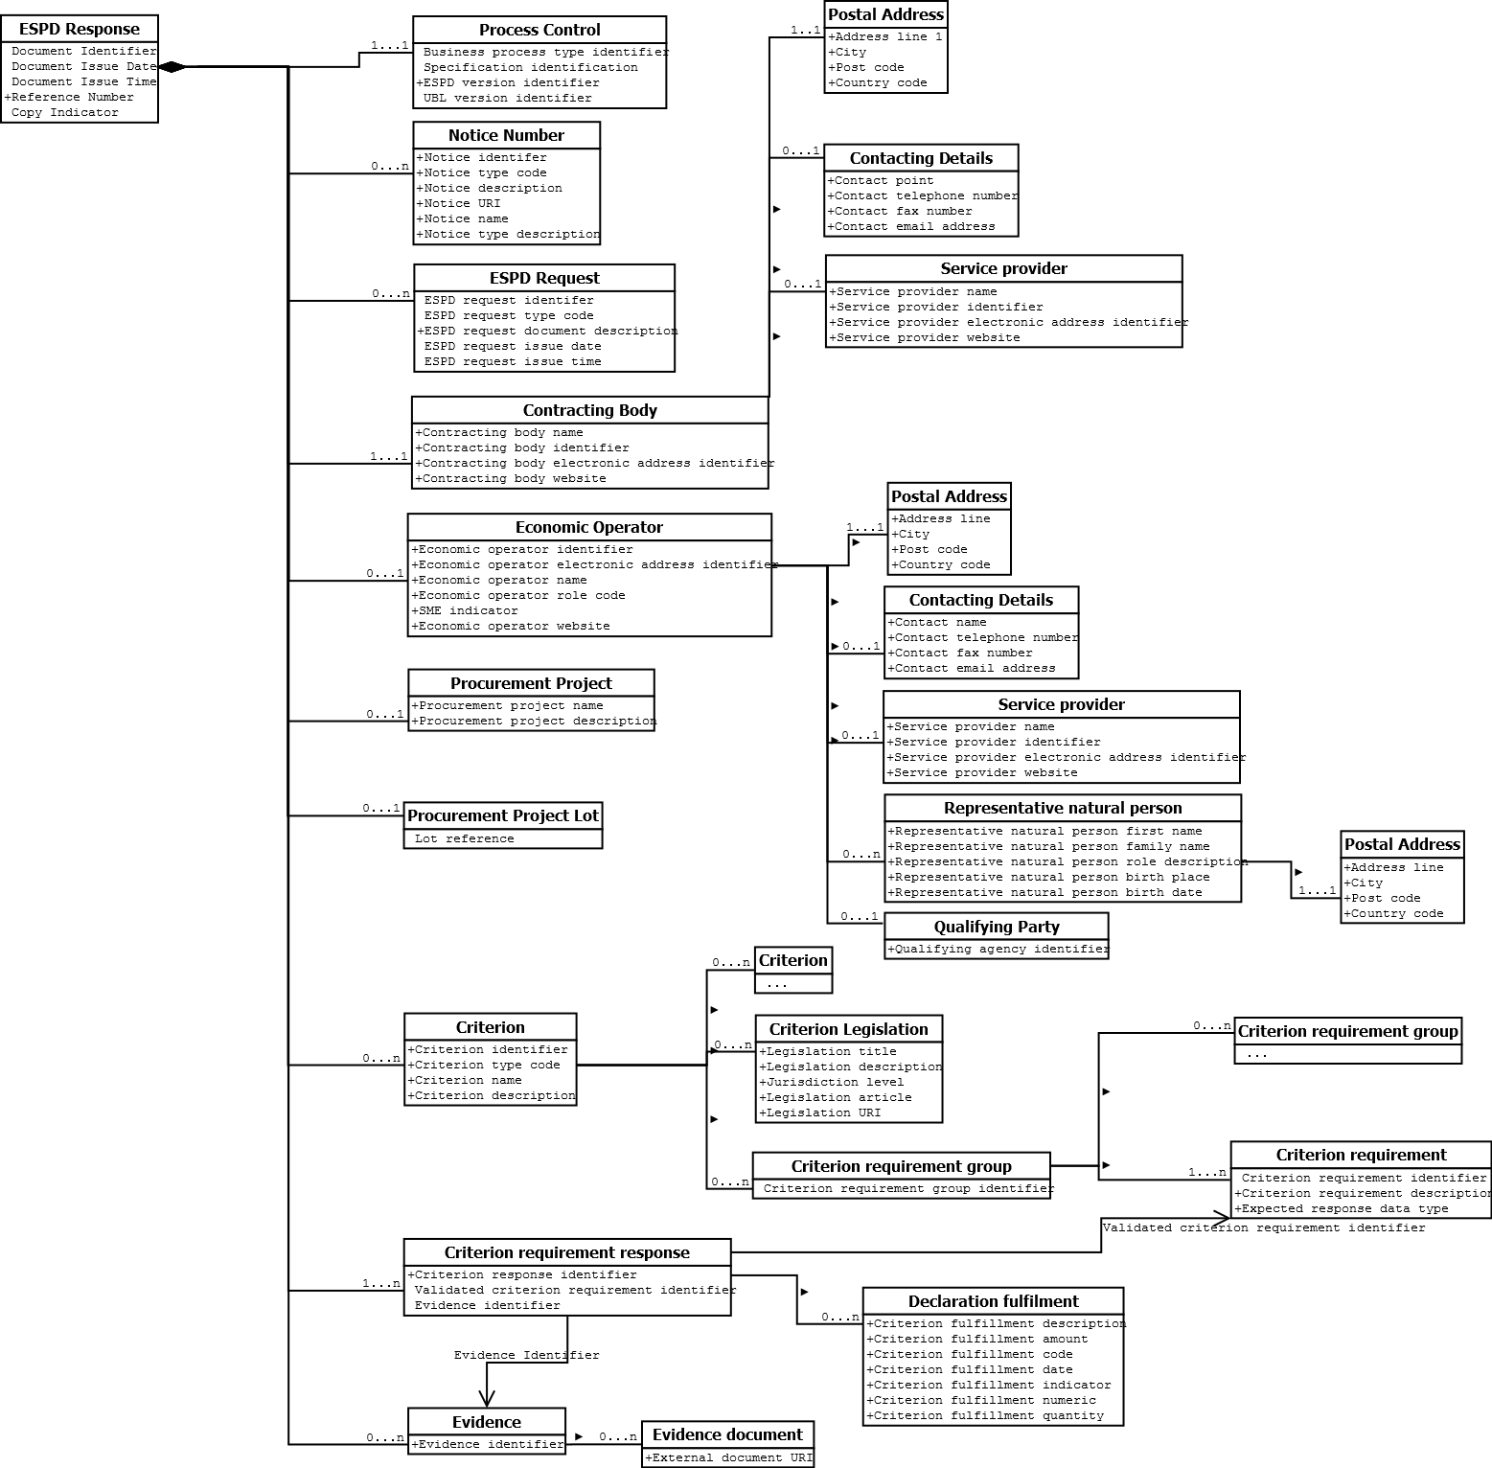

Self-Contained Response(BII092)
